Data Dictionary
DATA DICTIONARY
The cleaned dataset contains information about construction permits filed through OGPe in Puerto Rico between December 2014 and November 2023. The dataset has 33,441 records, each describing the following information about the filed permits. The data dictionary describes all the variables in the dataset along with certain fields that were calculated based on the available information.

1 | Case
 | A unique case number assigned to each permit 0000-000000-PCO/PCOC-000000 Year the application was filed – owner identification number – type of permit – application number [Total number of permits in the dataset mapped using spatial information]
 | 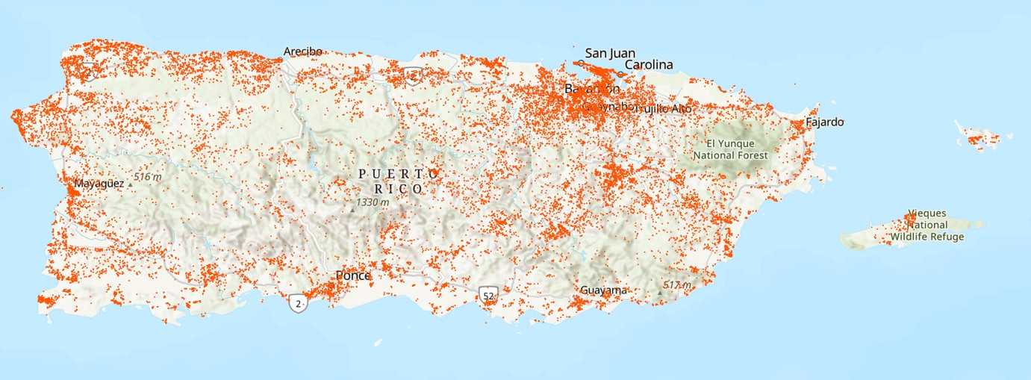

2 | Permit Acronym
 | Describes the type of construction permit [As described by the Joint Permits Regulation,2019 and Permits Management Office -https://www.ddec.pr.gov/en/permits-management-office] PCO – code for a permit for new constructions and minor reconstruction activities before the Joint Permits Regulation, 2019 introducing the consolidated permit was passed. PCOC – code for a consolidated construction permit (including four major activities: construction, remodeling, demolition, and urbanization works) • Building • Reconstruction • Remodeling • Demolition • Urbanization works • Restoration • Rehabilitation • Extension

3 | Filed Date
 | Date the application was filed. After an application is filed it undergoes a two-step process until it is ultimately awarded. First an application is reviewed and approved on a preliminary basis. After the applications are approved, the documents are revied based on which the decision to award the permit is made.

4 | Approval Status
 | Indicates whether an application is - PERMIT_APPROVED – Approved or PERMIT_PRE_APPROVED – Pre approved

5 | Issued Date
 | Date on which the permit was awarded [a permit is awarded when it has been approved and is not awaiting any requirements]

6 | Duration
 | Number of days it took for a permit to be awarded [Calculated based on the dates the permit application was filed and awarded]

7 | Cadastre
 | Cadastral number is a unique identification assigned to a property by CRIM (Property Tax Agency). It gives the graphic, numeric, literal, statistic and digital description and representation of all the properties of Puerto Rico. [The web application of the Digital Cadastre of Puerto Rico allows free access to the geographic data of CRIM - https://gis.jp.pr.gov/geolocalizador2/] 00-000-000-000-00-000 Municipality code – Map – Map – Block – Plot – Property Use/type Parcel number [The cadastre number can be used to retrieve sensitive tax information from the CRIM portal. Therefore the parcel number which is a restricted form of the Cadaster number is mentioned in the dataset to protect sensitive tax information of the applicant]

8 | Municipality
 | Name of the municipality in which the project lies

9, 10 | Longitude and Latitude
 | Spatial information in terms of latitude and longitude

11, 12 | X and Y Coordinates
 | Spatial information in terms of cartesian coordinates X and Y (spatial mapping code EPSG 4437)

13 | CBG FIPS
 | Block group level FIPS codes (Federal Information Processing Standards numbers which uniquely identify geographic areas)

14 | Physical address
 | Physical address of the property/project site for which the applicant is seeking the permit

15 | Name
 | This field mentions the names of certain large-scale projects but otherwise mentions the name of the owner for small projects or the activities.

16 | Description
 | Detailed description of the construction project. This field was broken down and regrouped into different categories to make analysis possible.

17 | Owner
 | Name of the project/property owner (often the applicant. This field can have the same information as the above ‘Name’ field if the project does not have a specific name.

18 | Corporate/Business Owner
 | Indicates whether the owner is a corporate/business entity 1 – Yes, the project owner is a corporate/business entity 0 – No, the project owner is not a corporate/business entity

19 | Project Type
 | Type of construction project based on owner/investor Privada – Private Público – Public Alianza Público-Privada – Public Private Partnership Público con Contratación Privada – Public with Private Contracting

20 | Permit Procedure
 | Type of building permit [same as the acronym field mentioned above] Permiso de Construcción – Construction Permit Permiso de construcción consolidado – Consolidated building permit (an updated version of the original building permit that contains not only the functionality before but also demolition and other permits)

21 | Rural/Urban
 | Location of the project Rural – Rural Urbano – Urban [There are no maps or a specific criterion that determine the limits of urban areas from rural areas within an autonomous municipality. Urban and Rural areas are categorized based on a variety of distinct zones and permitted land uses defined by the Planning Board. As a result, rural areas/zones often have development that is majorly residential]

22 | Estimated Cost
 | Estimated cost [in USD] of the construction/reconstruction project [used to calculate permit fees and taxes]

23 | Filed by PA
 | Indicated whether the permit is approved by a Profesionales Autorizados (or an Authorized Professional) who is an engineer, or an architect authorized to evaluate or issue ministerial permits, in compliance with the provisions of the Joint Permitting Regulation on behalf of OGPE. YES – The permit was approved by a PA NO – The permit was not approved by a PA

24-50 | Project Categories
 | * These categories were determined by parsing the description field for keywords. Note that they are not mutually exclusive.
 | 24 - Maria: projects related to Hurricane Maria reconstruction
 | 25 - R3: projects funded by the CDBG-R3 program
 | 26 - Construction
 | 27 - Residential
 | 28 - Single-family residential
 | 29 - Multi-family residential
 | 30 - Remodeling
 | 31 - Residential remodeling
 | 32 - Residential expansion
 | 33 - Expansion
 | 34 - Demolition and reconstruction
 | 35 - Demolition
 | 36 - Repair
 | 37 - Housing development
 | 38 - Trailer
 | 39 - Commercial
 | 40 - Pool
 | 41 - Utilities
 | 42 - Legalization: legalization of construction/repairs that were previously unauthorized
 | 43 - Residential legalization: legalization of residential constructions that were previously unauthorized
 | 44 - Community related
 | 45 - Government projects
 | 46 - Public services
 | 47 - Solar
 | 48 - Minor construction
 | 49 - Parcel split
 | 50 - Other

